Sheet1
 |  | Document No. | Issue No. | Issue Date |  | Review and Replace Date |  | Authorised By
 |  | GFF299MC | 3 | 02.08.2021 |  | 16.11.2021
 |  | Document Title | LAMB SHEPHERD'S PIE 400G
 |  | Film changed to K Peel 3G 25µm |  |  | Page |  | 1 of 1 | Magda Shah
Document amendments reason for change |  |  |  |  | Previous Issue Date |  | 22.09.2021 | Uncontrolled copy unless signed original

FLSPSP1-R8TMC | MINDFUL CHEF |  | LAMB SHEPHERD'S PIE 400G | FROZEN
STEP 1 |  |  |  |  | STEP 2
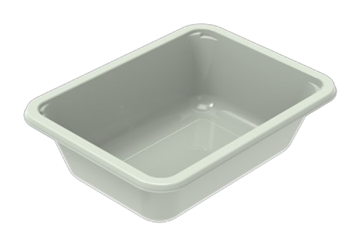 |  |  |  |  | 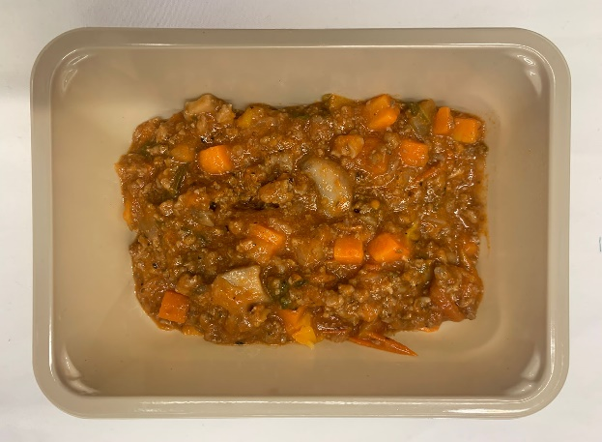

PACK DAY + 1 YEAR NON-MAP PACK

Tray: EVOLVE CPET 2171-1F FROST (PKRHP001-14) |  |  |  |  | Lamb Shepherd's Pie Mix (GFF374R): 240g
Film: K Peel 3G 25µm (275mmX1000lm)-PKKMP001-04
STEP 3 |  |  |  |  | STEP 4
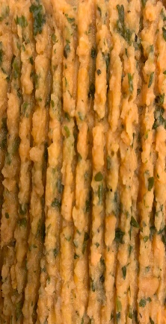 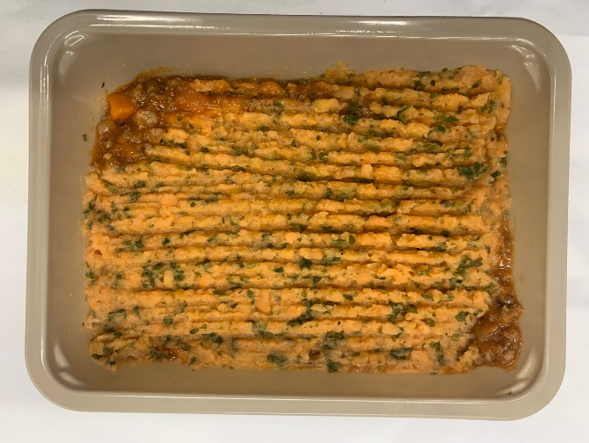

Parsley Sweet Potato Mash (GFF366R): 160g |  |  |  |  |  |  |  | TOTAL WEIGHT: 400g

ALLERGY ALERT: none

